Sheet1
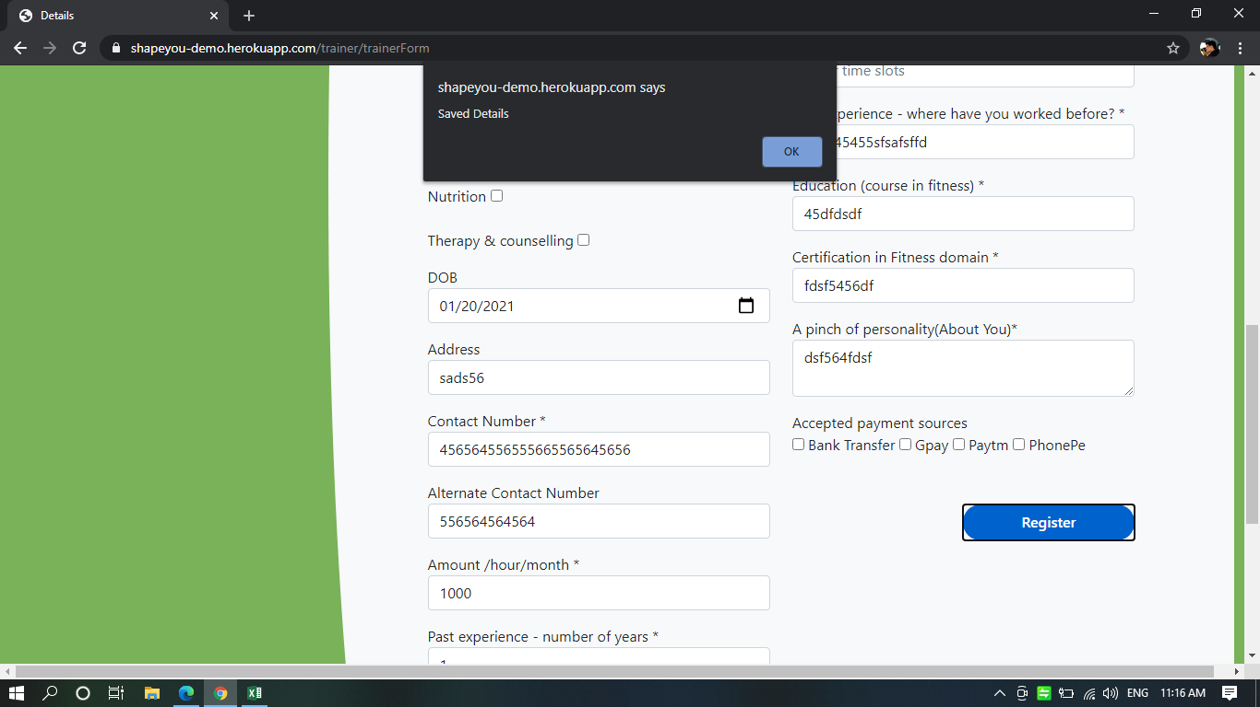
1 | For Image, aadhar, and resume there should be a tooltip or message to undestand which formart is support for each field and max file size.

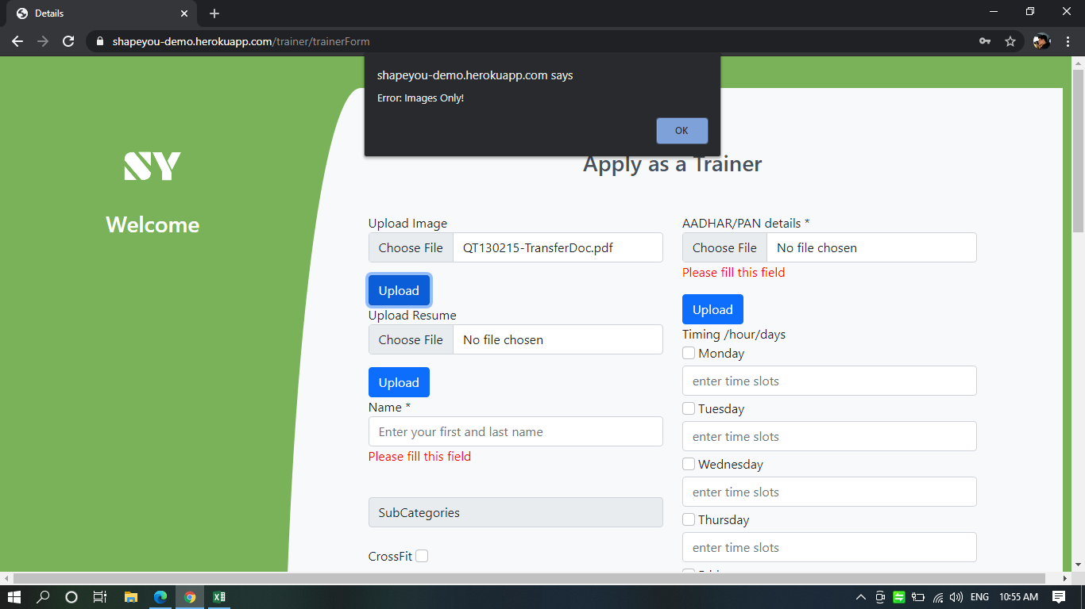
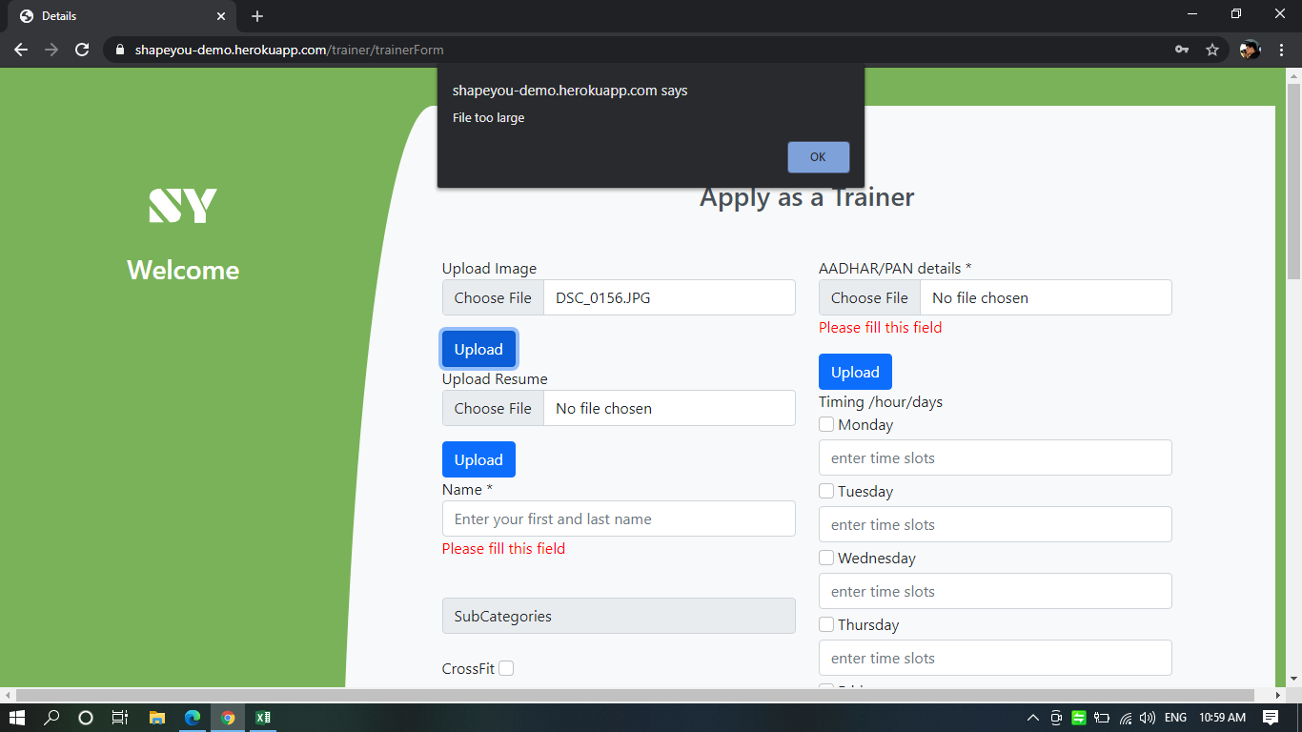
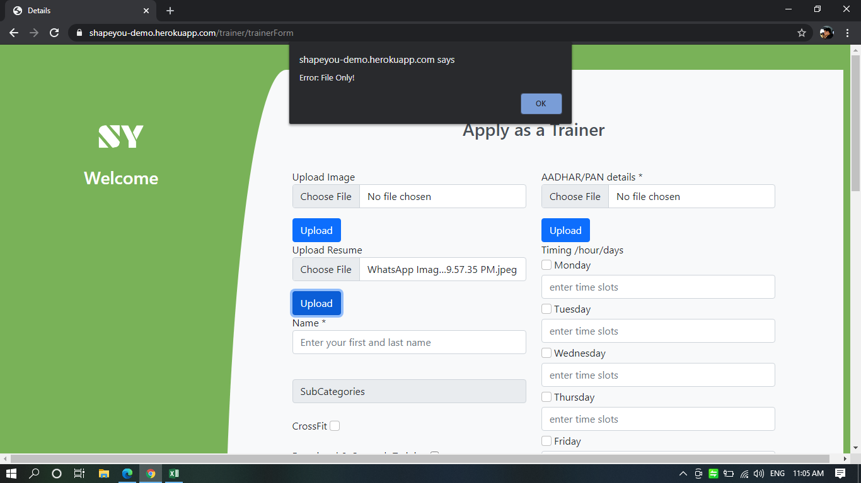

2 | Amount can be entered in negative

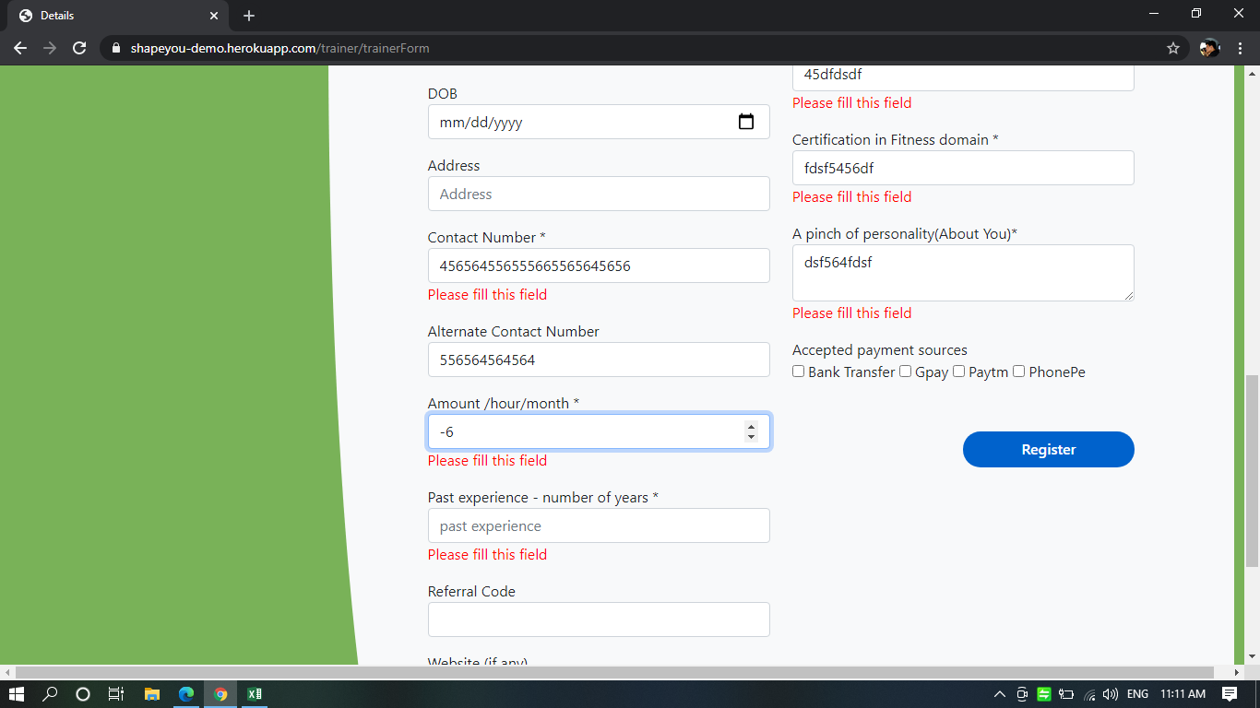

 | 3 | Filled all mandatory fields still below message is seen, else rest other mandatory fields should also contain star

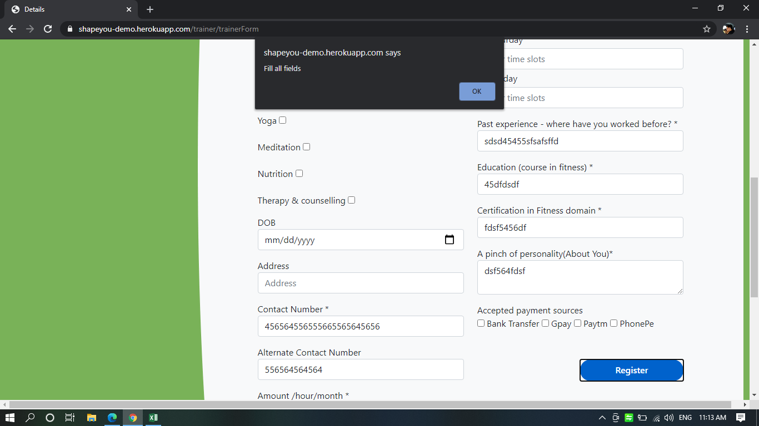

4 | Future DOB is also excepted

